Module11
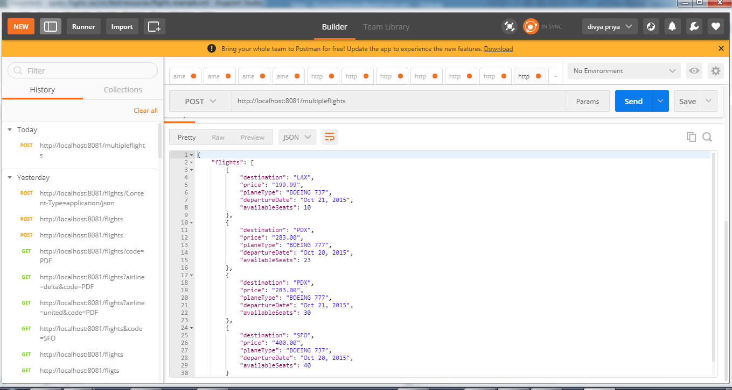
 | Writing DataWeave Transformation

Preview of sample data and output

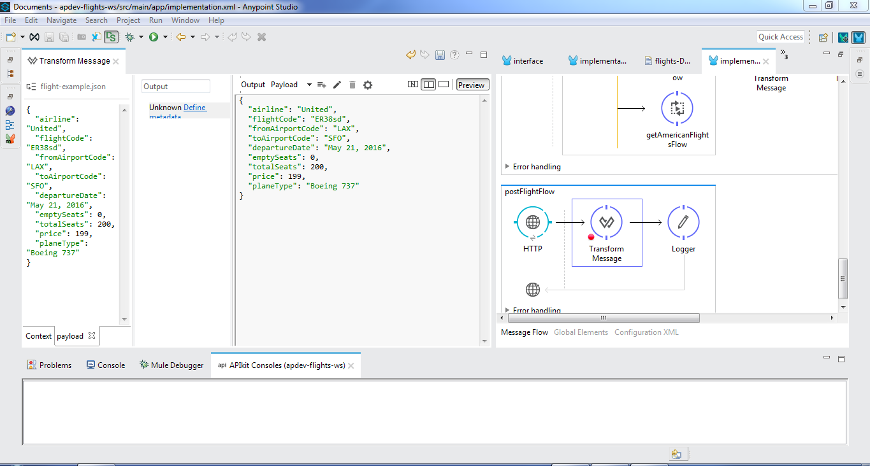

Linked HashMap object populated with sample data

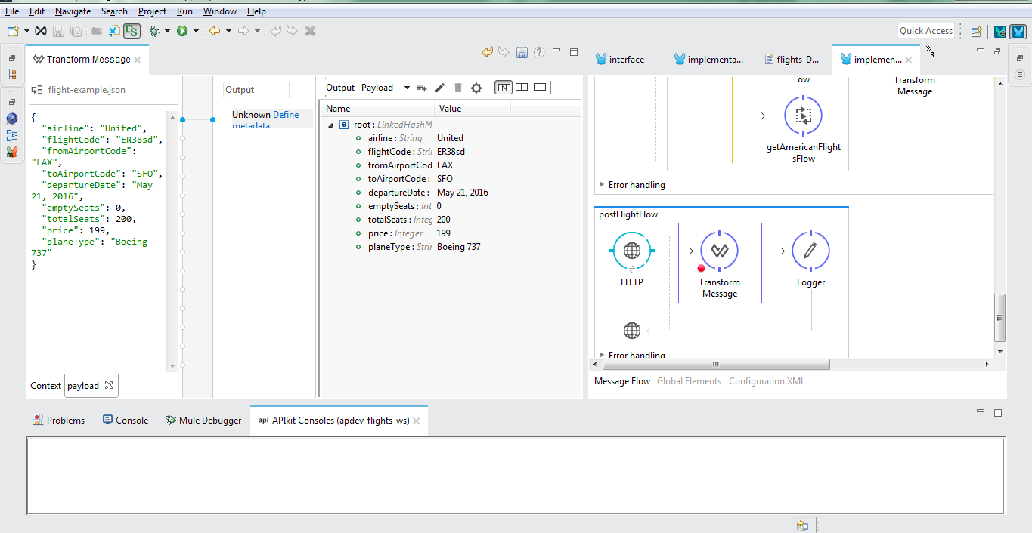

Data Weave expression in XML

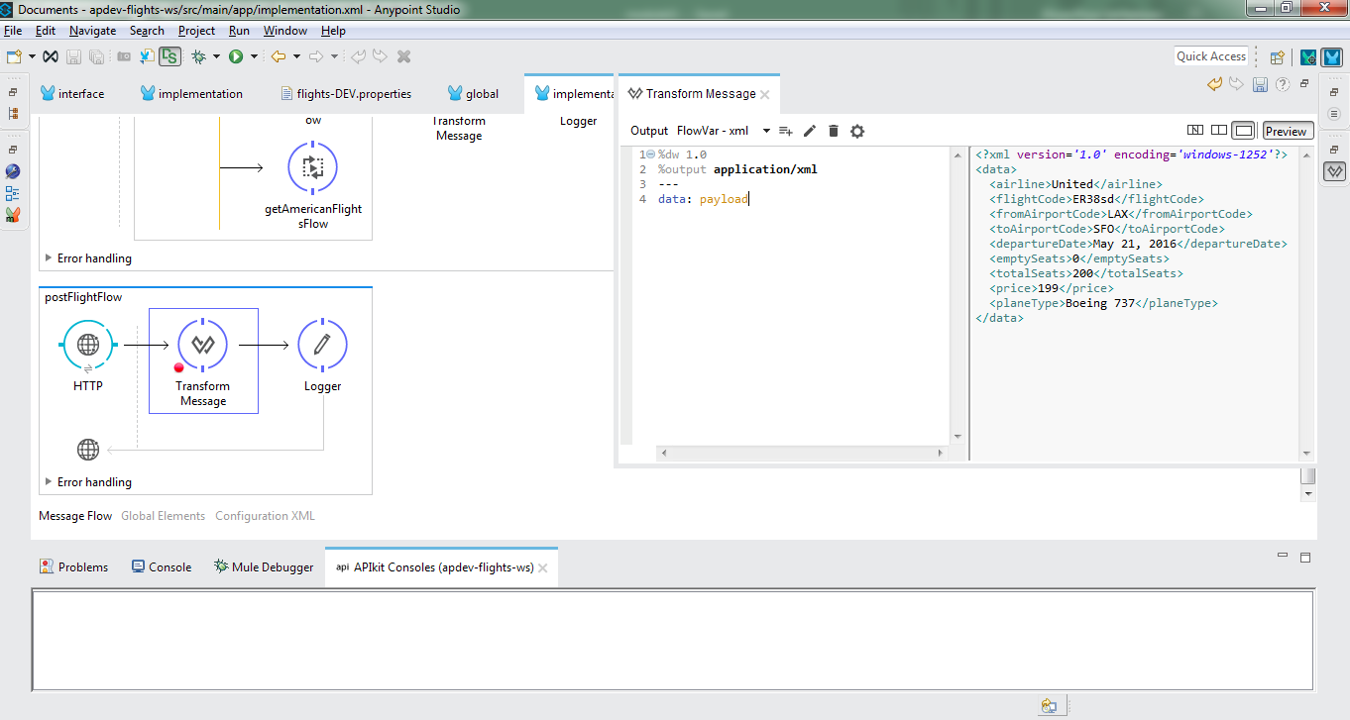

Transforimg Complex data structure with array

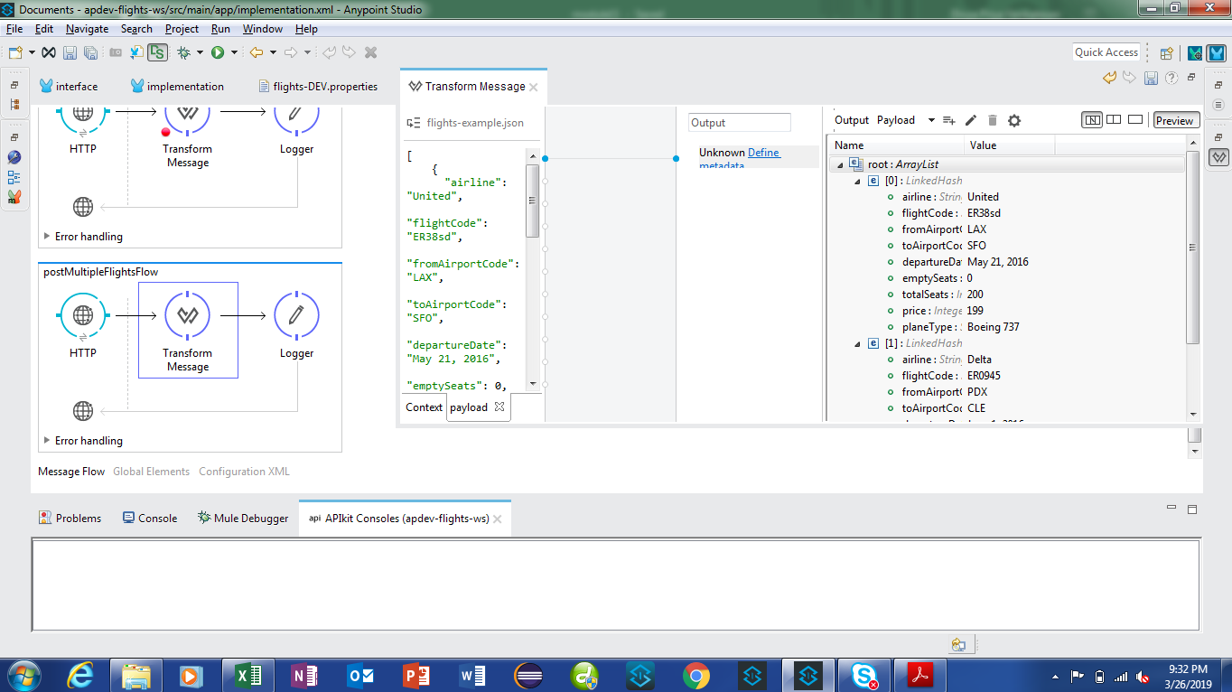

ArrayList with two ArrayLists

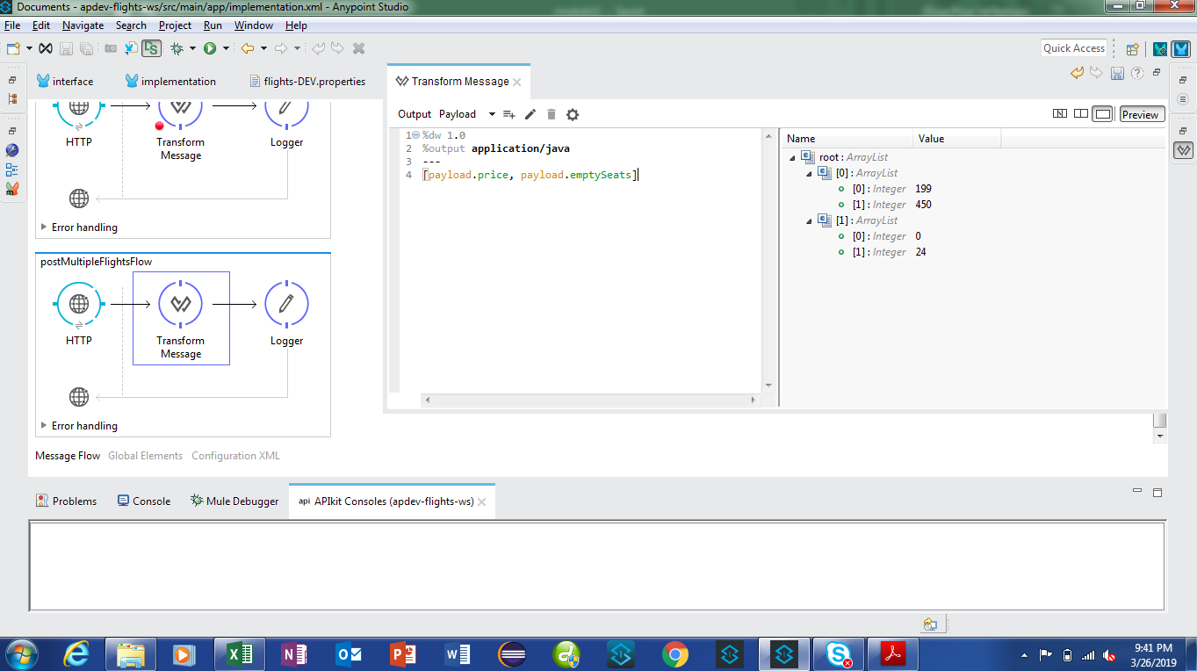

ArrayList with fiveLinkedHashMaps

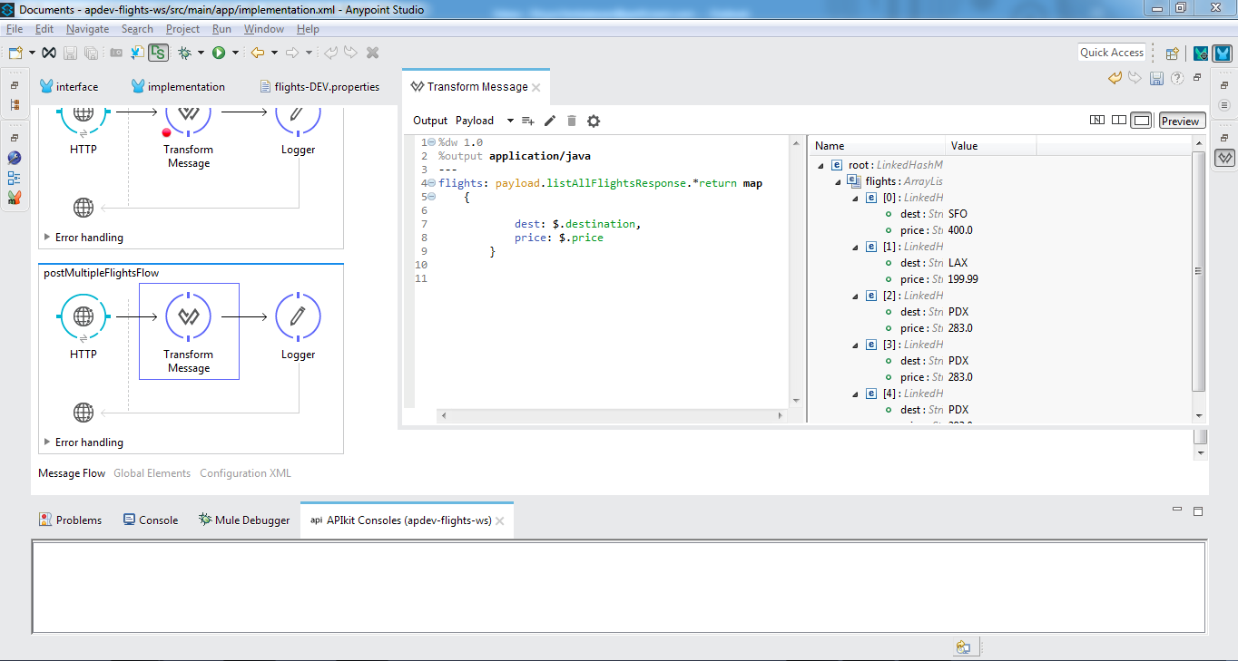

Coerce and format strings, numbers, and dates

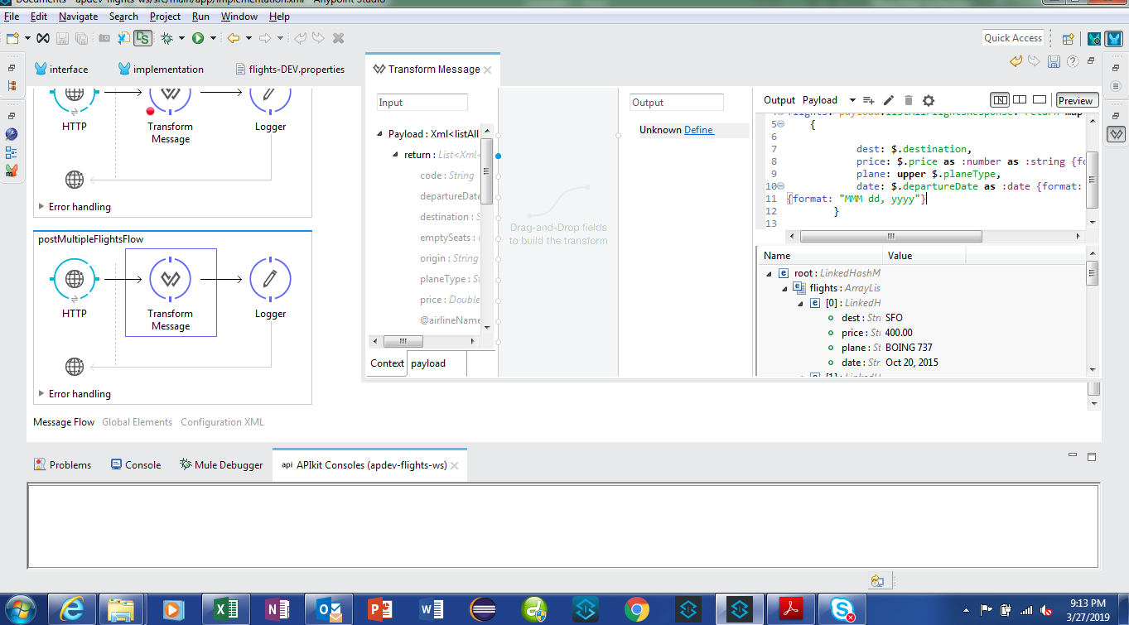

Call MEL functions and otherflow

